Overview
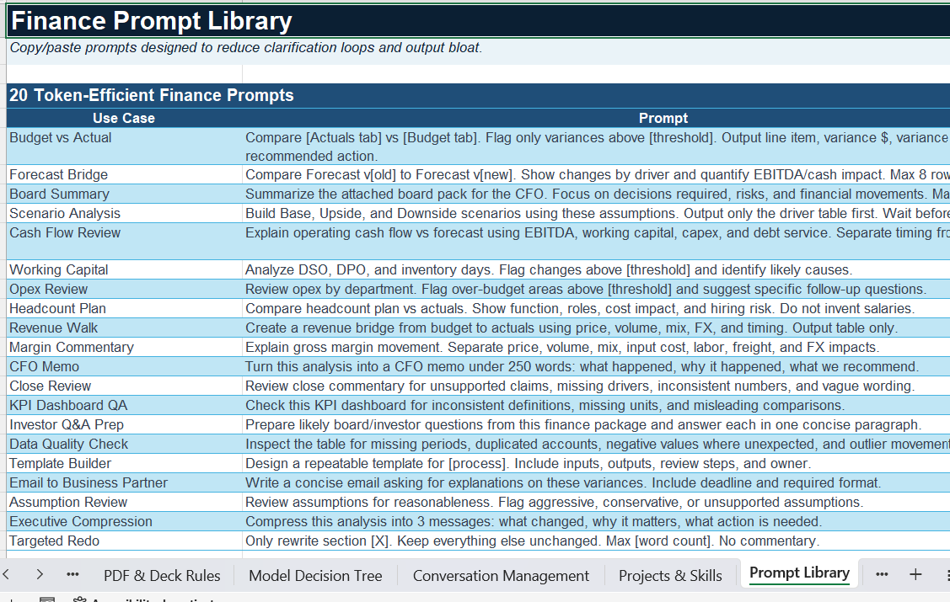
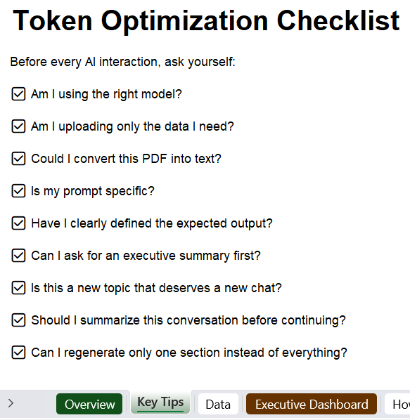
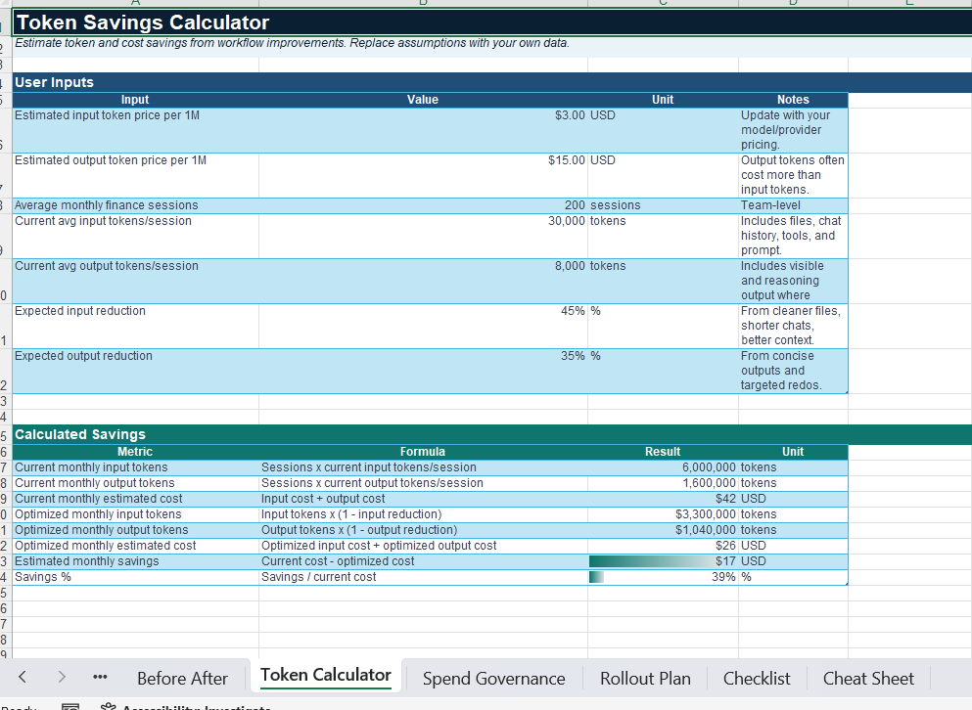
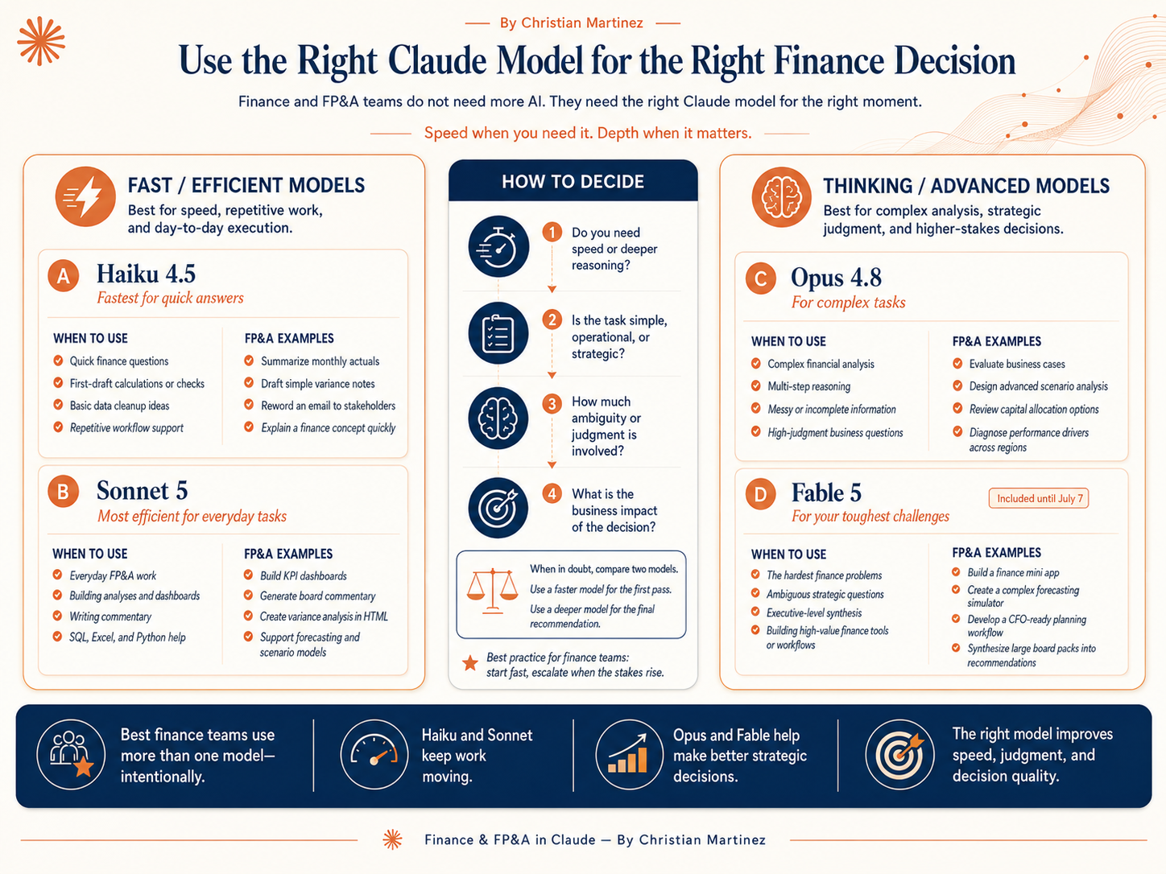
Tokens Estimator and Efficiency Playbook
by Christian Martinez

Some of the resources included in this guide ↓

Executive Dashboard
Executive Dashboard
One-page CFO view: token waste, savings levers, and recommended finance operating model.

Executive View: Optimize Context, Not Just Tokens

Baseline Tokens |  | Optimized Tokens |  | Reduction % | Default Model | Core Principle
575,000 |  | 200,000 |  | 65% | Sonnet | Token ROI

Estimated current workflow token use |  | Estimated use after applying levers |  | Reduced wasted context and output | Best balance for daily finance work | Spend tokens where they improve the answer

Current vs Optimized Token Use
Where Finance Tokens Get Wasted
Scenario | Current | Optimized
Board deck | 90,000 | 18,000
Excel upload | 75,000 | 22,000
Long chat | 240,000 | 85,000
Forecast prompt | 45,000 | 14,000
Board commentary | 65,000 | 25,000
Routine Opus | 60,000 | 36,000

Executive Recommendations
# | Recommendation | What to Do | Why It Matters
1 | Set Sonnet as the default model | Use Opus only for complex, high-value reasoning. Use Haiku for repetitive mechanical tasks. | Lower routine consumption without reducing finance output quality.
2 | Define the FP&A Prompt Framework | Every prompt should include objective, data source, business context, desired output, constraints, and format. | Reduces clarification loops and unnecessary output.
3 | Stop uploading entire workbooks and decks | Upload relevant tabs, extracts, or markdown summaries instead of full PDFs and hidden sheets. | Cuts repeated context reads and improves answer precision.
4 | Use session handoffs every 15-20 messages | Summarize decisions, open questions, files, and outputs before starting a fresh chat. | Preserves useful context and removes stale context.
5 | Measure token ROI, not only cost | Track high-value workflows completed, hours saved, and quality improvements alongside token spend. | Prevents under-investing in useful analysis.

